Sheet1
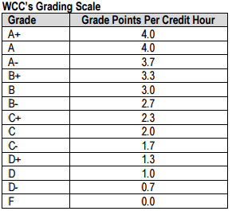
Class | Cr Hrs | GPA Pts | Qty Pts
 |  |  | 0
 |  |  | 0
 |  |  | 0
 |  |  | 0
 |  |  | 0
 |  |  | 0
 |  |  | 0
 |  |  | 0
 |  |  | 0
 |  |  | 0
 |  |  | 0
 |  |  | 0
 |  |  | 0
 |  |  | 0
 |  |  | 0
 |  |  | 0
 |  |  | 0
 |  |  | 0
 |  |  | 0
 |  |  | 0
 |  |  | 0
 |  |  | 0
 |  |  | 0
 |  |  | 0
 |  |  | 0
 |  |  | 0
Total | 0 |  | 0

GPA Calculation (quality points/cr hrs) | #DIV/0!

